srim details
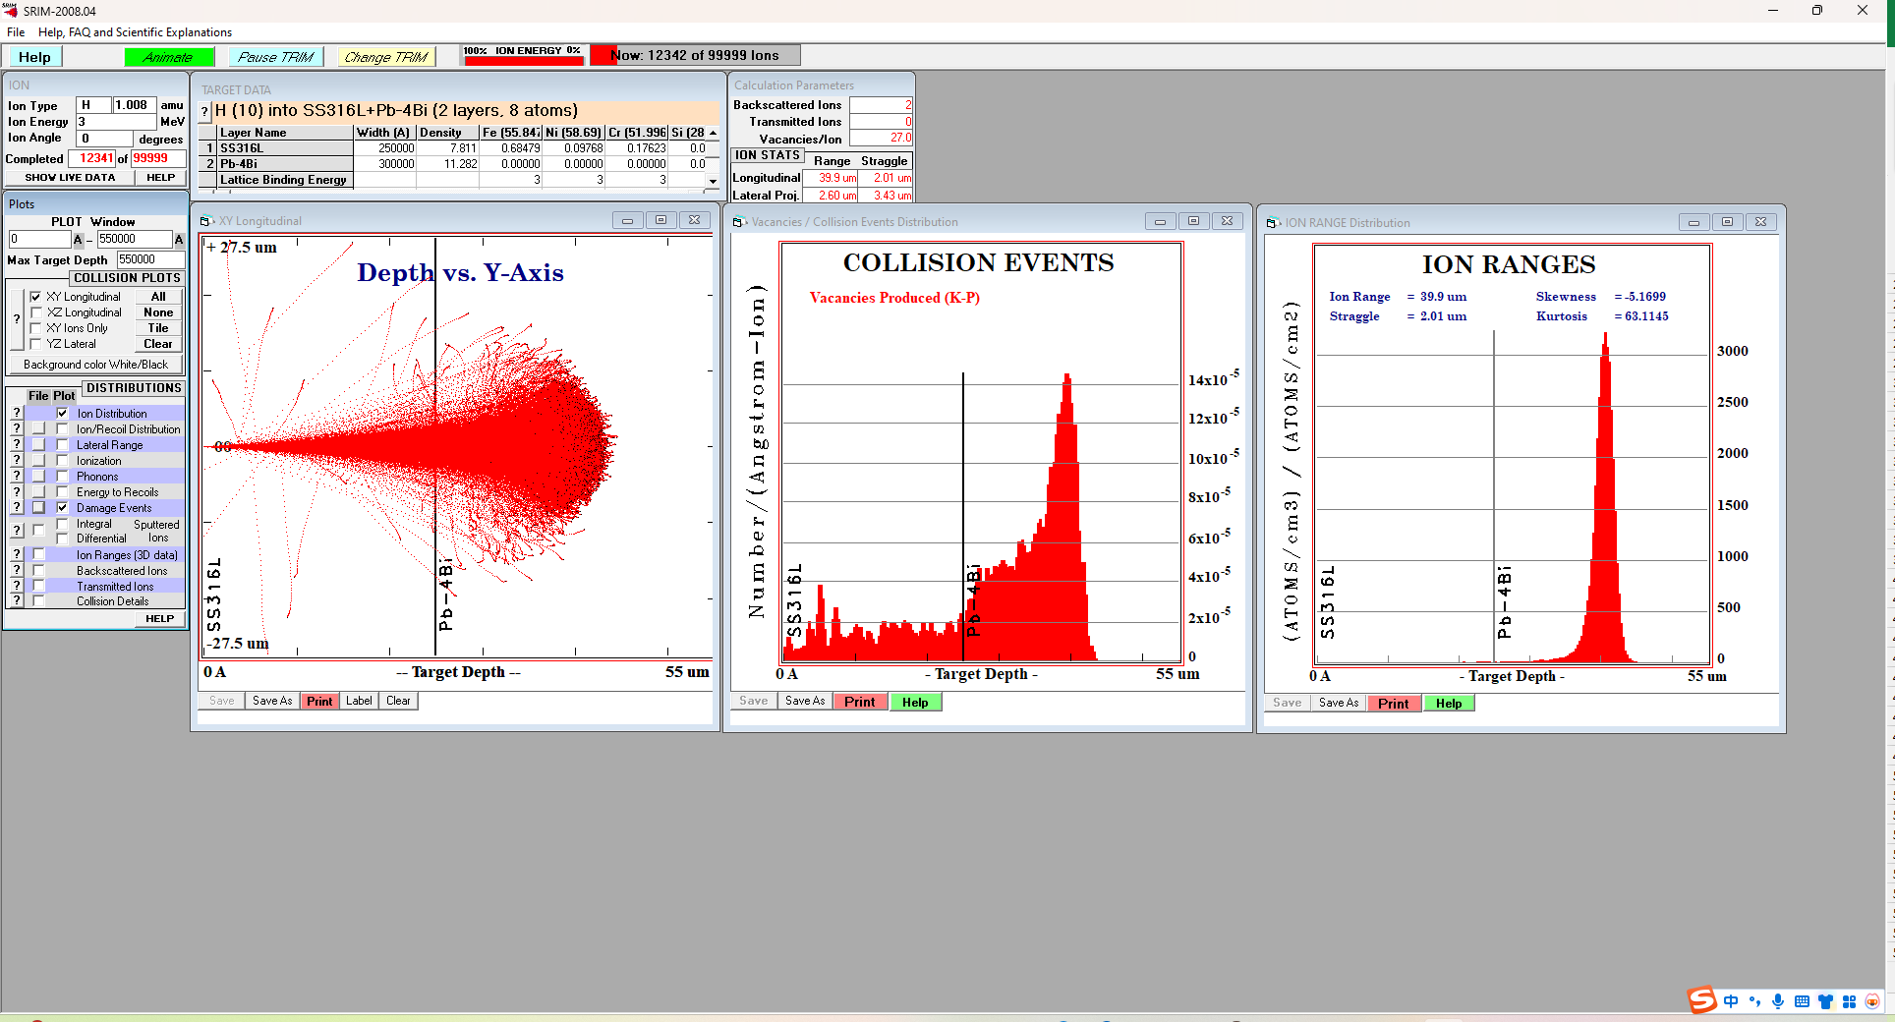
Elements | atomic mass | SS316L | Fe | Ni | Cr | Mo | Mn | Si
Fe | 55.845 | WT.% | 68.95 | 10.24 | 16.36 | 2.13 | 1.79 | 0.53
Ni | 58.693 | AT% | 68.690526006 | 9.7064520865 | 17.504924061 | 1.2350413297 | 1.8129686686 | 1.0500878486
Cr | 51.996
Mo | 95.95
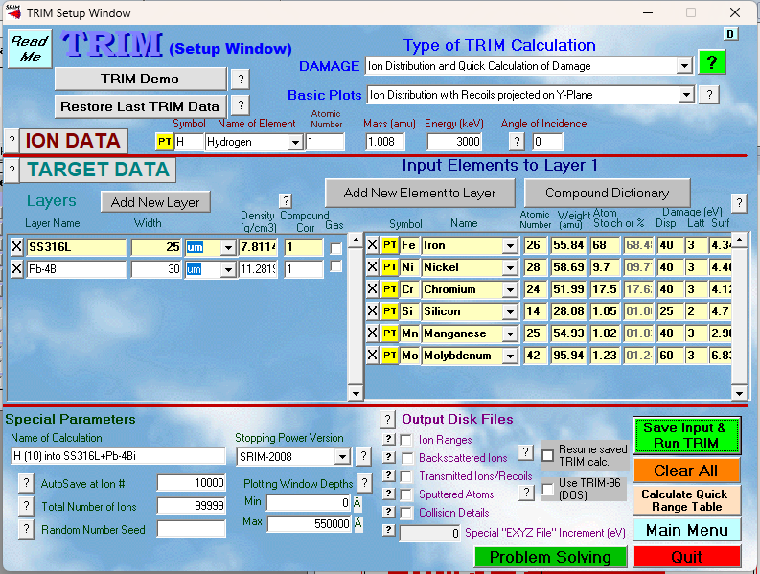
Mn | 54.93
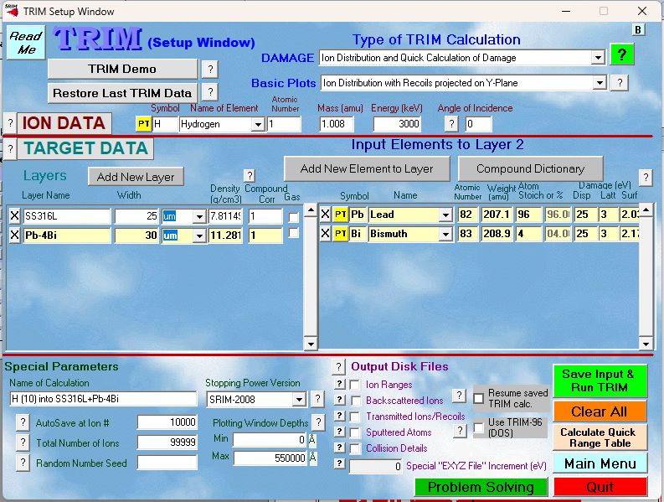
Si | 28.08
Pb | 207.2
Bi | 208.98

